ITP-xxx
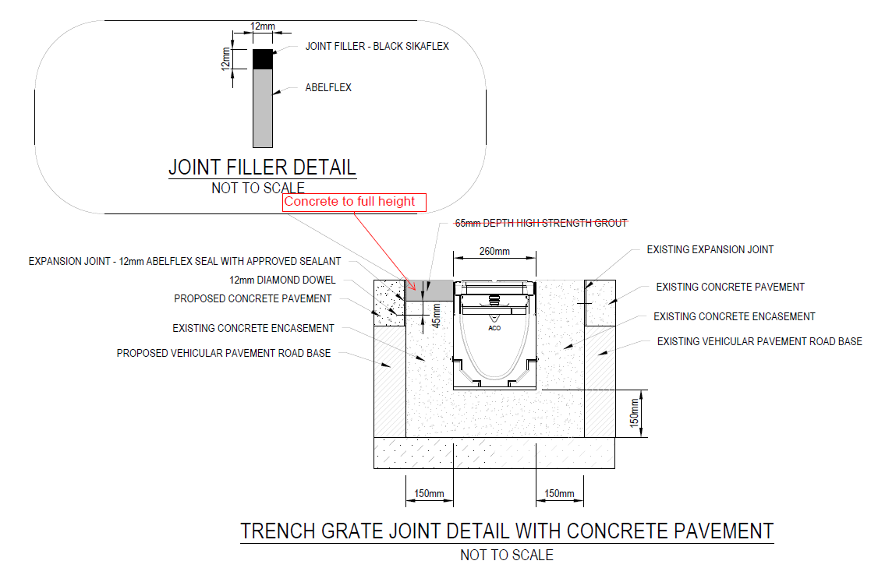
 |  |  | Inspection and Test Plan - Control and Supervision of the Works |  |  |  |  |  |  |  | Document # GT4-ITP-018
 |  |  |  |  |  |  |  |  |  |  | Revision : 0 | Date : 12/03/2024

Client: |  | Hobart International Airport Pty Ltd |  | Construction Process: |  | Prepared by: |  | Reviewed by : |  |  | Approved by :
Project: |  | Project Mercury Early Works At Hobart International Airport |  | Commericial Road ACO Drain Install |  | Name: | Patrick Schurink-Moeller | Name: |  |  | Name:
Contract No: |  | MER-EW-001 |  | Specifications: EW-CE-DRW-520-002
 |  |  |  | Structure / Component: Stormwater drainage, drainage infrastructure |  | Signed : |  | Signed : |  |  | Signed :
 |  |  |  | Location: Hobart International Airport |  | Date : | 2024-03-12 | Date : |  |  | Date :

Lot No: |  |  | Lot Details: |  |  |  |  |  | Lot Size/ Quantity:

Item | Task/Activity Description |  | Inspection / Controls and Verification Detail |  |  |  |  | HP/ WP/ AP/ IP/ TP/ SCP | Responsibility | Checked by:
No. |  |  | Frequency | Acceptance Criteria | Reference Documents | Inspection / Test Method | Record of conformity |  | Project Engineer Site Engineer Superintendent Surveyor Foreman | Client | Fulton Hogan | FH's Sub-contractor | Date
1 | Preliminary Works
1.1 | Check for correct documentation |  | Prior to commencing any activity | Ensure that all employees and subcontractors are: - using the correct and complete set of drawings - all drawings are the latest revision | Drawings and drawing registers | Visual inspection | ITP Signed | HP* | Site Engineer/ Site Foreman | N/A |  | N/A
1.2 | Implementation of all measures and controls |  | Prior to commencing any activity | All necessary measures and controls are being implemented, that is: PSP, EMP, TMP, SWMS & WP | PSP, EMP, TMP, SWMS, WP | Visual Inspection | ITP Signed | HP* | Site Engineer/ Site Foreman | N/A
1.3 | Submission & Approval of Concrete Mix Design |  | Prior to first concrete pour | The Contractor shall submit the concrete mix design details for review by the Superintendent not less than 4 weeks prior to the placement of concrete. Concrete shall not be placed until the mix design has been reviewed by the Superintendent | 610.07(b) | Verify | ITP Signed Mix design approval | HP | Site Engineer/ Superintendent
2 | Construction Works
2.1 | Setting Out |  | Prior to start | Set out work in accordance with drawings. The superintendent will review and confirm set out. The alignment and survey/level pegs will be indicated to the Contractor on the Site by the Superintendent prior to the commencement of work. No survey/level pegs to be removed by any persons until completion of works. | 703.17 | Verify | This ITP Signed | HP | Site Engineer/ Superintendent |  |  | N/A
2.2 | Excavation Permit |  | For Each Day of Activity | An excavation permit must be issued prior to any excavation commencing. Plant and equipment shall be appropriate for the task. Excavation operations shall not disturb areas outside the limit of excavation | Excavation permit | Verify | ITP Signed | HP* | Site Engineer | N/A |  | N/A
2.3 | Excavation |  | Each Lot | Excavation completed to required depth to allow placement of the concrete blinding layer. | 703.20 | Verify | ITP Signed | IP | Site Engineer | N/A |  | N/A
2.4 | Dowel |  | Prior to concrete pour | 12mm Diamond dowel at X centres |  | Verify | ITP Signed | IP | Site Engineer
2.5 | Bedding |  | Before placement of ACO DRAIN sections | 150mm concrete blinding to base of proposed ACO DRAIN. | Trench grate joint detail with concrete pavement | Visual Inspection | ITP Signed | IP | Site Foreman | N/A |  | N/A
2.6 | Formwork |  | Each Lot | Formwork shall comply with the requirements of AS 3610 where required | 703.12 AS 3610 | Verify | ITP Signed | IP | Site Engineer | N/A |  | N/A
2.6 | Expansion Joint |  | Prior to concrete pour | 12mm Abelflex seal with approved sealant against existing and adjacent concrete pavements | Trench grate joint detail with concrete pavement | Visual Inspection | ITP Signed | IP | Site Engineer | N/A
2.7 | ACO Drain placement |  | Prior to concrete pour | ACO drain sections to be placed in trench with lid surface flush with adjacent pacement surfaces. Ensure a 150mm width either side of ACO DRAIN to existing pavements. | Trench grate joint detail with concrete pavement | Visual Inspection | ITP Signed | IP | Site Engineer | N/A
2.7 | Concrete Encasement |  | Each section of ACO trench | Concrete shall be thoroughly compacted via contious tamping and internal vibration. Where concrete is unformed it shall be hand tamped to a smooth surface and screeded in accordance with the construction drawings. Where fresh concrete is being placed against concrete which has taken initial set a properly formed construction joint must be used. N25 concrete as per installation drawing - ACO Drain | SPECIFICATION CLAUSE KLASSIKDRAIN K200 - LOAD CLASS A-B | Visual Inspection | ITP Signed | IP | Site Engineer/ Site Foreman | N/A |  | N/A | SPECIFICATION CLAUSE
2.8 | Record location of each batch |  | Each concrete pour | Batch location recorded on Load Batch Traceability Checklist | 610.15 CL001D | Checklist | This ITP Signed | IP | Site Engineer | N/A |  | N/A | KLASSIKDRAIN K200 - LOAD CLASS A-B
2.9 | Surface Finish |  | Each Lot | Concrete elements shall have a Class 3 surface finish for external surfaces and a Class 4 surface finish for permanently hidden surfaces in accordance with AS 3610. Footpaths and other Surfacing shall be compelted with a wooden float. | 703.25 | Visual Inspection | This ITP Signed | IP | Fulton Hogan Engineer | N/A |  | N/A
2.11 | Joints |  | Each Joint | tool joints to be formed at each ACO joint. | SPECIFICATION CLAUSE KLASSIKDRAIN K200 - LOAD CLASS A-B | Visual Inspection | This ITP Signed | IP | Site Engineer/ Site Foreman | N/A |  | N/A
2.12 | Protection of concrete |  | Each Lot | All concrete shall be protected from damage from early loading by pedestrians, animals, vehicles and from rain or any other cause. Vehicles equal to or less than 1.5 tonnes in weight may be permitted to cross after 4 days, vehicles greater than 1.5 tonnes may be permitted to cross after 7 days. | 703.27 | Verify | This ITP Signed | IP | Site Foreman | N/A |  | N/A
2.13 | Curing |  | Each Lot | Concrete shall be cured immediately either by water curing, wet hessian, polyethylene sheeting which is adequately sealed, curing compound or a combination of these. Curing compounds shall comply with AS 3799. The curing compound shall be applied in two coats using a fine spray at the rate stated on the certificate of compliance | 703.10 | Verify | This ITP Signed | IP | Site Engineer/ Site Foreman | N/A |  | N/A
3 | Completion
3.1 | Carry out sampling of concrete - strength and consistency |  | Each 50m3 | Sampling and testing of the strength of concrete shall be carried out in accordance with Clause 6.2 of AS 1379. The consistency of the concrete shall be determined by a slump test of each concrete strength sample in accordance with AS 1012.3 and Clause 5.2 of AS 1379 | 703.11 CL001B CL001C | Checklist | ITP Signed/Test Records | TP | Site Engineer | N/A |  | N/A
3.2 | Tolerances |  | Each Lot | Where matching in with existing surface levels, the new surface shall be within ± 5mm existing. Section dimensions shall be constructed within the following tolerances: - 5mm and 15mm for width; or - ±3mm for dimensions less than 25mm. | 703.15 Drawings | Visual Inspection | This ITP Signed | IP | Site Engineer/ Site Foreman | N/A |  | N/A

 | Final Inspection
 | The signature below verifies that this ITP has been completed in accordance with the FH’s Quality system Procedures and verifies lot compliance with specifications.
 | Print Name: |  | Position: |  | Signature: |  |  |  |  | Date: / /

Legend
HP | Hold Point | Work shall not proceed past the HP until released by the Superintendent |  |  | IP | Inspection point |  | Formal Inspection to be done and recorded
HP* | FH Hold Point | Work shall not proceed past the HP* until released by FH |  |  | TP | Test Point |  | Product compliance test to be undertaken and recorded/reported
WP | Witness Point | An inspection which must be witnessed by the Superintendent |  |  | SCP | Survey conformance point |  | A qualified surveyor to check product/section/structure and report
AP | Approval Point | Written or verbal approval given by the Superintendent

